Heat Load Calc
General Information
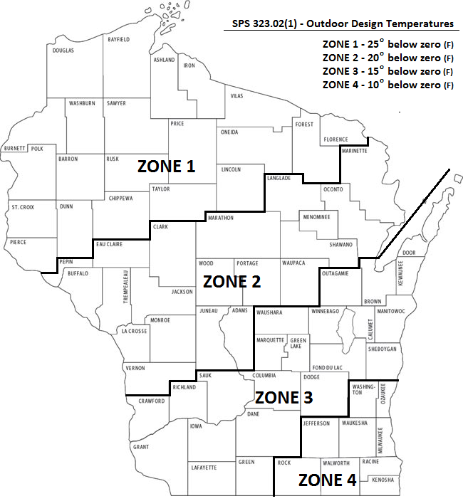
Project Name/Address: | 3196 AALSETH LN

Job Site County: | Dane

Your UA: | 455 | UA

Conditioned Floor Area: | 4090 | (ft2)

Average Wall Height: | 9 | (ft)

Infiltration Rate: | 0.50 | (ACH)

Equipment Oversizing Factor: | 15 | (%)

Load Summary

Conductive Losses: | 38675 | Btu/Hr

Infiltration Losses: | 28160 | Btu/Hr

Equipment Oversizing Factor Losses: | 10025 | Btu/Hr

TOTAL BUILDING HEATING LOAD: | 76860 | Btu/Hr

How To Use the Heating Equipment Sizing Summary
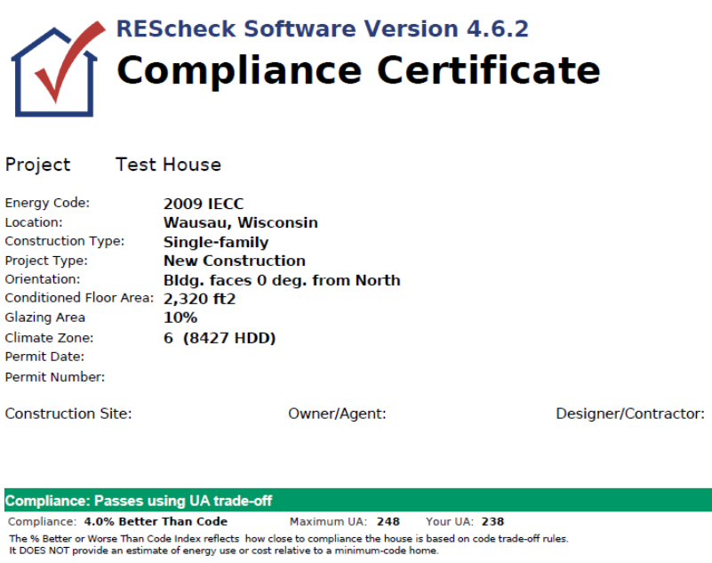
1. Enter your "Project Name / Address". Using the same labelling as your ResCheck makes it easier to keep track of.
2. Select your "Job Site County" from the pull-down Menu. This will determine the Design Temperature based on the Outdoor Design Temperatures Map, as included. SPS323.02(1).
3. Enter the "Your UA" and "Conditioned Floor Area" numbers from your ResCheck print out.
4. Enter the "Average Wall Height" in Feet. This is similar to previous versions of ResCheck and will calculate the volume of building air needed for Infiltration Losses.
5. Enter your "Infiltration Rate". This should be calculated at a maximum of 0.50 air changes per hour SPS322.30(2).
6. Enter an "Equipment Oversizing Factor" greater than 0 if you wish to generate a Btu/Hr load greater than calculated conductive and infiltration losses.
7. "Conductive Losses" = Your UA x Design Temperature Difference
8. "Infiltration Losses" = 0.018 BTU (heat capacity of air) x Conditioned Floor Area x Average Wall Height x Infiltration Rate x Design Temperature Difference
9. "Equipment Oversizing Factor Losses" = (Conductive Losses + Infiltration Losses) x Equipment Oversizing Factor
10. "Total Building Heating Load" = Conductive Losses + Infiltration Losses + Oversizing Factor Losses

